DASHBOARD OVERVIEW
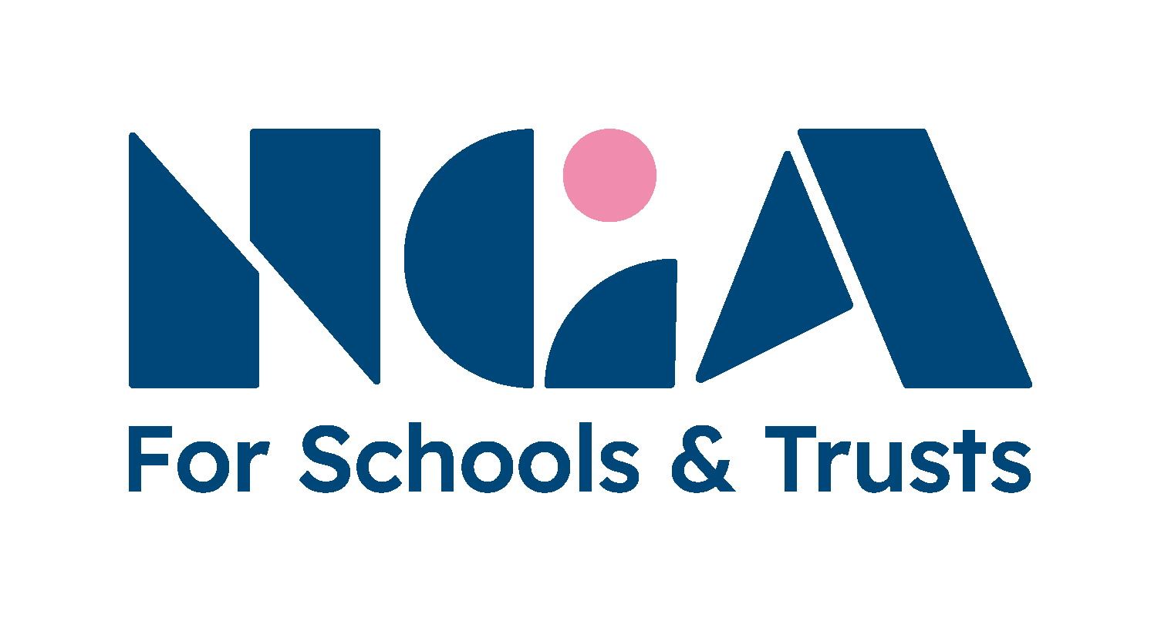
 | NGA skills dashboard
 | For Directors within the Children First Learning Partnership
 | .
 | How to use this dashboard
 | 1. Click here to enter your board's individual audit scores and then return to this dashboard overview. |  |  | © National Governance Association 2024
 | 2. Your board's average scores will then be shown below.
 | 3. Evaluate the scores and identify any priority areas (lower scores indicate where action may be needed). |  |  | Explore NGA membership options
 | Individuals should also be encouraged and supported to reflect on their responses and make their own development plans. |  |  | Find out about Learning Link subscription

 | Skills audit statement | Average board scores | Your comments and proposed actions | NGA resources
 |  | Scores calculate automatically |  | NGA membership / Learning Link subscription may be required
 | 1a. Strategic leadership |  |  | Find more strategic planning resources
1 | I have governing experience in a school/academy trust or in a different sector | 4 |  | NGA guidance: developing your induction programme
2 | I am/have been the chair of a board or committee | 3 | This might include participating in training, making use of NGA resources and/or recruiting new board members to help you to fill any gaps. | NGA guidance: succession planning
3 | I have experience and expertise in developing a strategy | 4 | Other sources of support and devlopment include those provided by your local authority, diocese or trust. | NGA guidance: Being Strategic
4 | I know what the trust’s strategic priorities are | 4 | We recommend that you identify up to three priority areas for the board in order to ensure your plans are manageable. | Learning Link e-learning: Strategy
5 | I can identify key risks and evaluate their potential impact | 4 |  | NGA guidance: Risk management
 | 1b. Accountability
6 | I am aware of how the trust is funded and what the funding is spent on | 4 |  | NGA financial oversight resources
7 | I can interpret budget monitoring reports and ask relevant questions | 4 |  | Learning Link e-learning: finance modules
8 | I understand how the trust’s curriculum meets the needs of all pupils | 3 |  | NGA guide to curriculum effectiveness
9 | I understand how my board engages with stakeholders – pupils, parents, staff and the wider community – and how this informs decisions | 3 |  | Learning Link e-learning module: stakeholder engagement
10 | I feel confident being part of the panel that conducts the chief executive's appraisal | 3 |  | NGA guide to executive leader appraisal
 | 1c. People
11 | I know how to build the knowledge I need to be effective in my governance role | 4 |  | NGA training and consultancy
12 | I can build positive, collaborative relationships with members of my board | 4 |  | NGA guide to effective teamwork
 | 1d. Structures |  |  | Find more resources about the board's role
13 | I understand the strategic nature of the board’s role and what trust boards and leaders should expect from each other | 4 |  | NGA guidance: What governing boards and school leaders should expect from each other
14 | I know what the trust board’s core functions are | 4 |  | NGA training session: understanding your role and responsibilities
15 | I understand how the board delegates its work | 4 |  | Learning Link e-learning: your role, responsibilities and organisation
16 | I understand the role and powers of the trust’s members | 4 |  | NGA guidance: the role of members
17 | I understand the distinct responsibilities of my trust’s academy committees (local governing bodies) | 4 |  | NGA guidance: the role of the local tier
 | 1e. Compliance
18 | I feel confident serving on a panel | 4 |  | Learning Link e-learning: an introduction to panel work
19 | I am aware of the board’s legal and compliance responsibilities | 4 |  | Learning Link e-learning: compliance modules
20 | I feel able to speak up if I am concerned about non-compliance and unethical behaviour | 4 |  | NGA ethical leadership resources: framework, podcast and e-learning
21 | I recognise when independent, expert advice may be required | 4
 | 2. Equality, diversity and inclusion |  |  | Find more equality, diversity & inclusion resources
22 | I know, and can identify with, the communities served by the trust | 4 |  | NGA research report: Increasing representation in school and trust governance
23 | I understand the legal responsibilities of trust boards in relation to equalities | 4 |  | NGA guidance: equality and diversity
24 | I have influenced an organisation’s culture of equality and diversity (through communication, appropriate challenge, awareness raising or developing policy and practice) | 4 |  | Tools to support equality, diversity and inclusion
25 | I have knowledge, experience or training that will help me to promote diversity and inclusion | 3 |  | Learning Link e-learning programme: equality, diversity and inclusion
26 | I can confidently challenge behaviour, attitudes and practices which are detrimental to creating an inclusive culture | 4
27 | I can interpret relevant data and insight to identify issues and ask questions relating to equality and inclusion | 4
28 | Is there any training or support you would like to increase your contribution to promoting equality and diversity in your trust? | See respondents' comments
 | 3. Self-evaluation |  |  | Explore NGA's evaluation tools
29 | What do you need to do over the next 12 months to increase your governance knowledge and skills? | See respondents' comments
30 | What specific skills or experience do you have that could be utilised by the board? | See respondents' comments

 |  |  |  | NGA consultancy is here to help
 |  |  |  | If your board has identified a number of gaps in skills or competency, NGA's team of governance consultants are available to provide bespoke support.
 |  |  |  | Find out more about NGA's consultancy service

